M2
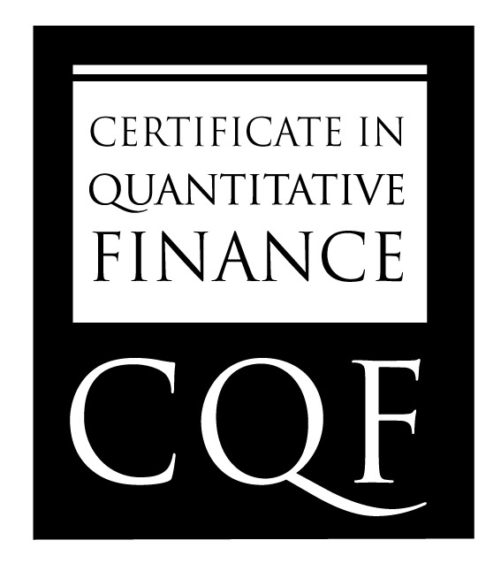
 | Name | Angelo Homen

CQF Exam One

 | Question | Sub-Question | Question Value | Percentage Awarded | Grade | Comments

 | VaR Backtesting | Q1 | 42% | 70 | 29.4 | % breaches differ in either sample
 | Regulation | Q2 | 16% | 100 | 16
 | Portfolio calculus | Q3 | 16% | 100 | 16
 | Expected Shortfall | Q4 | 26% | 100 | 26

 |  | Total | 100 |  | 87.4

GLOBAL STANDARD IN FINANCIAL ENGINEERING

